USA
Private Consumption: % of Nominal GDP: Annual
 | India | United States
03/01/2024 | 60.34103558
12/01/2023 |  | 67.87
03/01/2023 | 60.93785235
12/01/2022 |  | 68.02
03/01/2022 | 60.95037963
12/01/2021 |  | 68.00
03/01/2021 | 61.09812871
12/01/2020 |  | 66.62
03/01/2020 | 60.91128764
12/01/2019 |  | 66.99
03/01/2019 | 59.28832281
12/01/2018 |  | 67.46
03/01/2018 | 58.72514968
12/01/2017 |  | 67.77
03/01/2017 | 59.29528123
12/01/2016 |  | 67.68
03/01/2016 | 59.00728108
12/01/2015 |  | 67.22
03/01/2015 | 58.1277171
12/01/2014 |  | 67.44
03/01/2014 | 57.64576609
12/01/2013 |  | 67.46
03/01/2013 | 56.46095379
12/01/2012 |  | 67.97
03/01/2012 | 56.20721858
12/01/2011 |  | 68.58
03/01/2011 | 54.72485776
12/01/2010 |  | 68.18
03/01/2010 | 55.95988847
12/01/2009 |  | 68.32
03/01/2009 | 56.67681598
12/01/2008 |  | 68.04
03/01/2008 | 55.76051108
12/01/2007 |  | 67.34
03/01/2007 | 56.10994541
12/01/2006 |  | 67.15
03/01/2006 | 57.37872994
12/01/2005 |  | 67.25
03/01/2005 | 58.35154794
12/01/2004 |  | 67.38
03/01/2004 | 61.50375761
12/01/2003 |  | 67.57
03/01/2003 | 63.02964675
12/01/2002 |  | 67.24
03/01/2002 | 64.14685743
12/01/2001 |  | 66.85
03/01/2001 | 63.73898114
12/01/2000 |  | 66.02
03/01/2000 | 64.00948654
12/01/1999 |  | 65.24
...
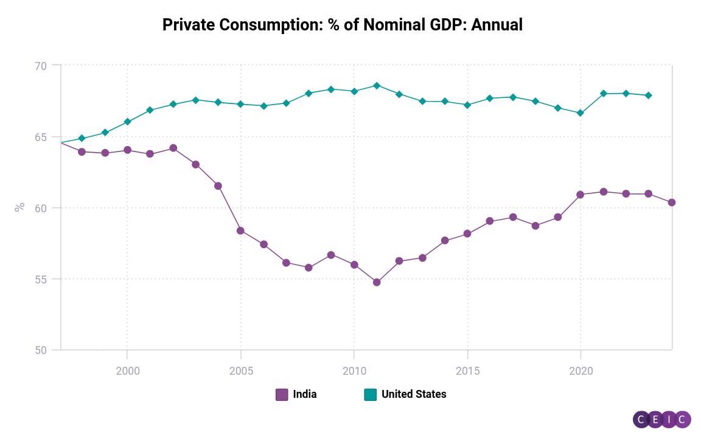

Select this link and click Refresh to update data for this chart | India | United States
Region | India | United States
Frequency | Annual, ending "Mar" of each year | Annual, ending "Dec" of each year
Unit | % | %
Source | CEIC Data | CEIC Data
Status | Active | Active
Series ID | 374728717 | 374718577
Function Description
First Obs. Date | 03/01/1951 | 12/01/1929
Last Obs. Date | 03/01/2024 | 12/01/2023
Last Update Time | 2024-03-04 | 2024-03-28
03/01/2024 | 60.34
12/01/2023 |  | 67.87
03/01/2023 | 60.94
12/01/2022 |  | 68.02
03/01/2022 | 60.95
12/01/2021 |  | 68.00
03/01/2021 | 61.10
12/01/2020 |  | 66.62
03/01/2020 | 60.91
12/01/2019 |  | 66.99
03/01/2019 | 59.29
12/01/2018 |  | 67.46
03/01/2018 | 58.73
12/01/2017 |  | 67.77
03/01/2017 | 59.30
12/01/2016 |  | 67.68
03/01/2016 | 59.01
12/01/2015 |  | 67.22
03/01/2015 | 58.13
12/01/2014 |  | 67.44
03/01/2014 | 57.65
12/01/2013 |  | 67.46
03/01/2013 | 56.46
12/01/2012 |  | 67.97
03/01/2012 | 56.21
12/01/2011 |  | 68.58
03/01/2011 | 54.72
12/01/2010 |  | 68.18
03/01/2010 | 55.96
12/01/2009 |  | 68.32
03/01/2009 | 56.68
12/01/2008 |  | 68.04
03/01/2008 | 55.76
12/01/2007 |  | 67.34
03/01/2007 | 56.11
12/01/2006 |  | 67.15
03/01/2006 | 57.38
12/01/2005 |  | 67.25
03/01/2005 | 58.35
12/01/2004 |  | 67.38
03/01/2004 | 61.50
12/01/2003 |  | 67.57
03/01/2003 | 63.03
12/01/2002 |  | 67.24
03/01/2002 | 64.15
12/01/2001 |  | 66.85
03/01/2001 | 63.74
12/01/2000 |  | 66.02
03/01/2000 | 64.01
12/01/1999 |  | 65.24
03/01/1999 | 63.81
12/01/1998 |  | 64.85
03/01/1998 | 63.91
12/01/1997 |  | 64.55
03/01/1997 | 64.56

IND
Private Consumption: % of Nominal GDP: Annual: India
 | Private Consumption: % of Nominal GDP: Annual: India
03/01/2024 | 60.34
03/01/2023 | 60.94
03/01/2022 | 60.95
03/01/2021 | 61.10
03/01/2020 | 60.91
03/01/2019 | 59.29
03/01/2018 | 58.73
03/01/2017 | 59.30
03/01/2016 | 59.01
03/01/2015 | 58.13
03/01/2014 | 57.65
03/01/2013 | 56.46
03/01/2012 | 56.21
03/01/2011 | 54.72
03/01/2010 | 55.96
03/01/2009 | 56.68
03/01/2008 | 55.76
03/01/2007 | 56.11
03/01/2006 | 57.38
03/01/2005 | 58.35
03/01/2004 | 61.50
03/01/2003 | 63.03
03/01/2002 | 64.15
03/01/2001 | 63.74
03/01/2000 | 64.01
03/01/1999 | 63.81
03/01/1998 | 63.91
03/01/1997 | 64.56
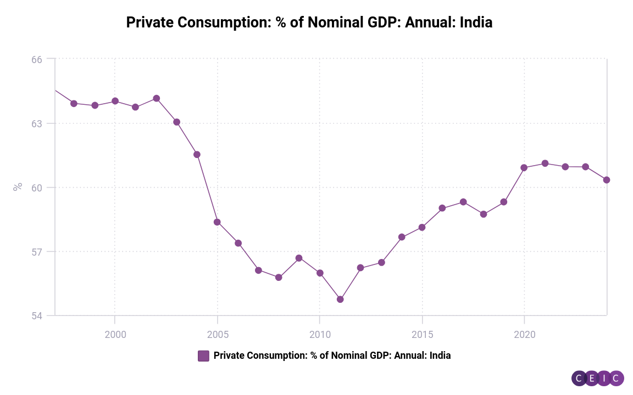

Select this link and click Refresh to update data for this chart | Private Consumption: % of Nominal GDP: Annual: India
Region | India
Frequency | Annual, ending "Mar" of each year
Unit | %
Source | CEIC Data
Status | Active
Series ID | 374728717
Function Description
First Obs. Date | 03/01/1951
Last Obs. Date | 03/01/2024
Last Update Time | 2024-03-04
03/01/2024 | 60.34
03/01/2023 | 60.94
03/01/2022 | 60.95
03/01/2021 | 61.10
03/01/2020 | 60.91
03/01/2019 | 59.29
03/01/2018 | 58.73
03/01/2017 | 59.30
03/01/2016 | 59.01
03/01/2015 | 58.13
03/01/2014 | 57.65
03/01/2013 | 56.46
 | 60.34
 | 60.94
 | 60.95
 | 61.10
 | 60.91
 | 59.29
 | 58.73
 | 59.30
 | 59.01
 | 58.13
 | 57.65
 | 56.46
 | 56.21
 | 54.72
 | 55.96
 | 56.68
 | 55.76
 | 56.11
 | 57.38
 | 58.35
 | 61.50
 | 63.03
 | 64.15
 | 63.74
 | 64.01
 | 63.81
 | 63.91
 | 64.56
03/01/2012 | 56.21
03/01/2011 | 54.72
03/01/2010 | 55.96
03/01/2009 | 56.68
03/01/2008 | 55.76
03/01/2007 | 56.11
03/01/2006 | 57.38
03/01/2005 | 58.35
03/01/2004 | 61.50
03/01/2003 | 63.03
03/01/2002 | 64.15
03/01/2001 | 63.74
03/01/2000 | 64.01
03/01/1999 | 63.81
03/01/1998 | 63.91
03/01/1997 | 64.56

